Introduction
 | Requirements on General Principles of Food Hygiene
 | RAPID SELF ASSESSMENT CHECKLIST

 | This is an abridged checklist with some main requirements based on General Principles of Food Hygiene.

 | For the complete set of requirements refer to General Principles of Food Hygiene (CAC/RCP 1-1969) of the Codex Alimentarius Commission.
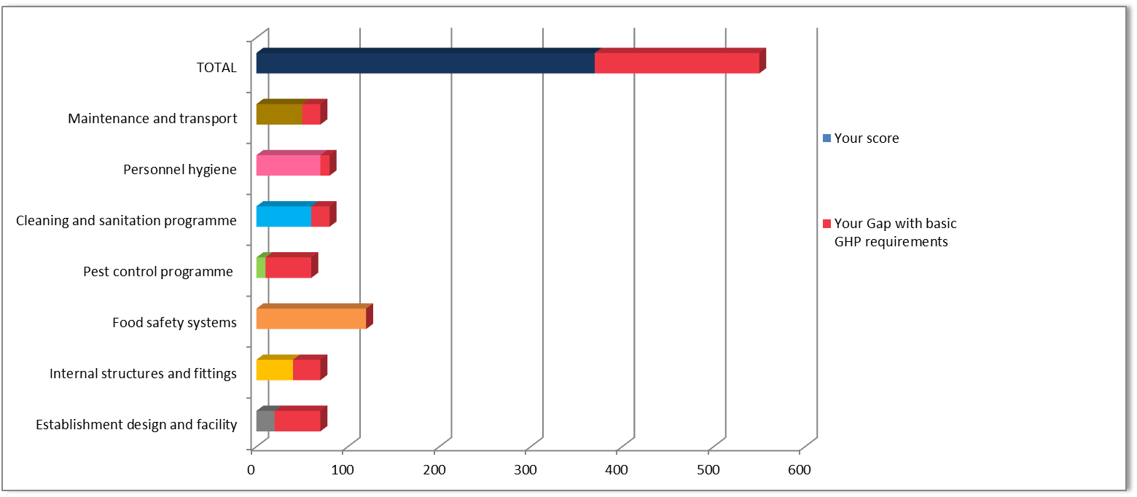
 | Instructions
1 | Click on the tabs at the bottom of the screen or click on each section's hyperlink to navigate through this checklist.
2 | Answer each question with a "Yes" or "No".
3 | The response should reflect the present status of your enterprise.
4 | Complete the assessement by responding to all sections.
5 | Check your score on the Score section
6 | Read more by clicking the Gap score

 | This checklist is organized into 7 sections
 | 1 | Establishment design and facility
 | 2 | Internal structures and fittings
 | 3 | Food safety systems
 | 4 | Pest control programme
 | 5 | Cleaning and sanitation programme
 | 6 | Personnel hygiene
 | 7 | Maintenance and transport

 | Check | Your Score

Establishment design & facility
Requirements on General Principles of Food Hygiene
RAPID SELF ASSESSMENT CHECKLIST
Requirements on General Principles of Food Hygiene |  |  | Present status
 |  |  | Answer Yes / No
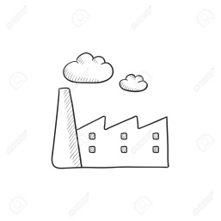 1. Establishment: Design and facility | 1 | Is away from potential source of contamination | yes
 | 2 | Area is not prone to pests infestation | yes
 | 3 | Allows easy removal of the wastes both solid and liquid | yes
 | 4 | Permits easy maintenance and cleaning | no
 | 5 | Facilitate good hygienic practices | no
 | 6 | Permits smooth flow of the materials | no
 | 7 | Provides protection against any possible cross contamination | no

Home |  | Previous | Next

Internal structures & fittings
Requirements on General Principles of Food Hygiene
RAPID SELF ASSESSMENT CHECKLIST
Requirements on General Principles of Food Hygiene |  |  | Present status
 |  |  | Answer Yes / No
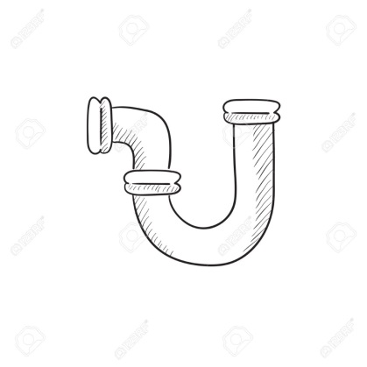
2. Internal structures and fittings | 1 | Raw material receiving area is hygienic and covered to protect raw materials from pests and weather. | yes
 | 2 | Raw materials store prevents contamination and introduction of pests, other objectionable substances, and permits adequate maintenance and cleaning. | yes
 | 3 | Store for packaging material is protected, hygienic and contains only clean pallets and new materials. | no
 | 4 | Production area is delimited, is in hygienic condition and protected, and does not allow free access to persons, | no
 | 5 | Water used for washing surfaces in-contact with food is drinking water. | no
 | 6 | Light bulbs are covered for protection in production areas. | no
 | 7 | Lighting is sufficient and allows good visibility in all areas. | no

Home |  | Previous | Next

Food safety systems
Requirements on General Principles of Food Hygiene
RAPID SELF ASSESSMENT CHECKLIST
Requirements on General Principles of Food Hygiene |  |  | Present status
 |  |  | Answer Yes / No
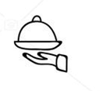 3. Food safety systems | 1 | Incoming food and non-food raw material including packaging material inspection procedures are defined (tests, acceptable limits, specification and storage) | no
 | 2 | Product on hold or rejected is suitably identified and kept suitably for further action | no
 | 3 | Corrective action plan exists and implemented to respond to customer complains. | no
 | 4 | All equipments directly in contact with food, is approved for food use. | no
 | 5 | Effective time and temperature controlling systems exist to maintain product at requisite temperature. | no
 | 6 | Temperature of ingredients is checked during relevant processes. | no
 | 7 | Cooling process for products is monitored to avoid any cross contamination. | yes
 | 8 | The final products are regularly tested against specifications. | yes
 | 9 | Final product storage conditions ensure food safety, hygiene and prevent potential cross contamination. | yes
 | 10 | Final product can be traceable to ingredients and raw materials. | yes
 | 11 | Production code & USE BY date is mentioned on the product. | yes
 | 12 | Established procedure exist for recall/withdrawal. | yes

Home |  | Previous | Next

Cleaning and sanitation
Requirements on General Principles of Food Hygiene
RAPID SELF ASSESSMENT CHECKLIST
Requirements on General Principles of Food Hygiene |  |  | Present status
 |  |  | Answer Yes / No
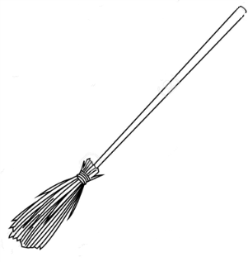 5. Cleaning and sanitation programme | 1 | Sanitation procedure and schedules exist with assigned responsibility & frequencies for the facility, including floor drains and toilet facility, in contact surfaces and equipment including conveyors, moulds, trays and gloves. | no
 | 2 | Personnel are trained in sanitation procedures. | no | 0
 | 3 | Only cleaners & sanitizers approved for food contact / processing are used. | no | 80
 | 4 | Equipment is disassembled for proper cleaning of intricate parts. | no | 80
 | 5 | Drainage and Waste treatment / disposal is available. Waste is neither piled up nor in the vicinity of food handling areas. | no
 | 6 | Water supply lines and sewage lines are protected against back flow and cross-connection contamination. | no
 | 7 | Foot baths, uniform change facility, protective garments as head gear, gloves are provided. | no
 | 8 | Adequate hand washing facility stations/points are available equipped with toilet soap, hand drying and hand sanitizing facilities. | no

Home |  | Previous | Next

Score
Requirements on General Principles of Food Hygiene
RAPID SELF ASSESSMENT CHECKLIST SCORE

 |  |  |  | Your score | Your Gap with basic GHP requirements
 | 1 | Establishment design and facility |  | 30 | 40
 | 2 | Internal structures and fittings |  | 20 | 50
 | 3 | Food safety systems |  | 60 | 60
 | 4 | Pest control programme |  | 60 | 0 | Read more by clicking on gap scores
 | 5 | Cleaning and sanitation programme |  | 0 | 80
 | 6 | Personnel hygiene |  | 80 | 0
 | 7 | Maintenance and transport |  | 0 | 70
 | Home |  |  | Your score | Your Gap with basic GHP requirements
 |  |  | TOTAL | 250 | 300

